1. Title Page
Grocery Basket Analysis

Project Name: Instacart Grocery Basket Analysis
Date: 11/10/2024
Analyst Name: Sorin Catighera

Contents:
Population Flow
Consistency checks
Wrangling steps
Column derivations
Visualizations
Recommendations

Data Source
“The Instacart Online Grocery Shopping Dataset 2017”, Accessed from www.instacart.com/datasets/grocery-shopping-2017 via Kaggle on 10/21/2024.
The customer data, as well as the “prices” column in the products data set, were both fabricated for the purpose of this task.

2. Population Flow
Population flow

Exclusion flag
Condition: max_order < 5
Obervations to be removed: 1,440,045
Final total count of order_products_customers: 30,959,687

Orders_products_merged
Orders_products_merged
Orders_products_customers

Total: 32,399,732
Total: 32,399,732
Total: 32,399,732

1.) The grey boxes in the first row of the population flow represent the original data sets as they were when downloaded. In the "Total" fields are the count of the rows when the data set was imported into Jupyter.
2.) The second row of boxes (coloured) represents the data sets after these were manipulated, e.g., removed missing values and duplicates. The "Total" fields show the row count after performing these operations. This offers a visual oveview of how the data flows throughout the data consistency checks.
3.) The third row, where also the arrows are coloured, represents the merges which were performed between the datasets. In the Total fields were added the count of the rows in the merged datasets, and in the red box there is the final data set, which is without exclusions (based on the exclusion flag).

3. Consistency checks
 |  |  |  | Title page
Consistency checks

Dataset | Missing values | Missing values treatment | Duplicates
orders | 206,209 in the 'days_since_prior_order' column | Flagged as first_order | No duplicates
products | 16 missing values in the 'product name' column | Deleted rows with missing data | 5 duplicates, deleted
orders_products_prior | None | None | No duplicates
customers | None | None | No duplicates

Note: products dataset had 2 products with excessive prices ($14,900 and $99,999), which were removed.

4. Wrangling steps
 |  |  |  |  | Title page
Wrangling steps

Data set | Columns dropped | Columns renamed | Columns' type changed | Comment/Reason
orders | eval_set |  |  | Not necessary for analysis
 |  | order_dow |  | Ambiguous column name, changed to orders_day_of_week
 |  |  | order_id | Changed to string
 |  |  | user_id | Changed to string
department |  | index |  | Transposed dataset and added an index and new header
customers |  |  | user_id | Changed to string
 |  | FIRST_NAME |  | Changed to first_name for consistency
 |  | surnam |  | Change to surname for consistency
 |  | STATE |  | Changed to state for consistency
 |  | Age |  | Changed to age for consistency
 |  | fam_status |  | Changed to marital_status for consistency
 |  | Gender |  | Changed to gender for consistency
merged files | _merge |  |  | Every _merge column dropped after merge checks
 | first_name |  |  | Removal of PII
 | last_name |  |  | Removal of PII

5. Column derivations
 |  |  |  | Title page

Column derivations and aggregations

Dataset | New column | Column/s it was derived from | Conditions
ords_prods_merge | price_range | prices | if prices <= 5 then 'low-range product' if prices >5 & <= 15 then 'mid-range product' if prices > 15 then 'high-range product'
ords_prods_merge | busiest day | orders_day_of_week | if value == 0 then 'busiest day' if value == 4 then 'least busy' else 'regularly busy'
ords_prods_merge | busiest days | orders_day_of_week | if value == 0 or 1 then 'busiest days' if value == 3 or 4 then 'slowest days' else 'regularly busy'
ords_prods_merge | busiest_period_of_day | hour_of_day | if value in (10, 11, 14, 15, 13, 12, 16, 9) then 'Most orders' elif value in (17, 8, 18, 19, 20, 7, 21, 22) then 'Average orders' else 'Fewest orders'
ords_prods_merge | loyalty_flag | max_order | if value > 40 then 'loyal customer' if value <= 40 & > 10 then 'regular customer' if value < 10 then 'new customer'
ords_prods_merge | average_price_all_orders | prices | average price per customer
ords_prods_merge | spending_flag | average_price_all_orders | if value < 10 then 'low_spender' if value >= 10 then 'high_spender'
ords_prods_merge | frequency_flag | days_since_prior_order | if value > 20 then 'non_frequent_customer' if value <= 20 & > 10 then 'regular customer' if value <= 10 then 'frequent customer'
ords_prods_cust | region | state | Used Wikipedia List of regions of the United States
ords_prods_cust | exclusion_flag | max_order | if value < 5 then 'low-activity customer' if value >= 5 then 'high-activity customer'
ords_prods_cust_merge_excl | age_group | age | if value > 64 then 'elderly' if value > 44 & <= 64 then 'middle-aged' if value > 25 & <= 44 then 'adult' if value <= 25 then 'young adult'
ords_prods_cust_merge_excl | income_group | income | if value > 128000 then 'high-income' if value >= 67000 & <= 128000 then 'middle-income' if value < 67000 then 'low-income'
ords_dep | dependents_flag | n_dependants | if value == 0 then 'no dependents' if value >= 1 then 'has dependents'

price_range | busiest day | busiest days | busiest_period_of_day
Mid-range product 673293 | Regularly busy 22413231 | Regularly busy 12914068 | Most orders 21114733
Low-range product 314432 | Busiest day 6203329 | Busiest days 11862627 | Average orders 9996048
High range 12275 | Least busy 3783172 | Slowest days 7623037 | Fewest orders 1288951

loyalty_flag | spending_flag | frequency_flag | exclusion_flag
Regular customer 15874128 | Low_spender 32280013 | Frequent customer 21556644 | high-activity 30959687
Loyal customer 10282763 | High_spender 119719 | Regular customer 7207340 | low-activity 1440045
New customer 6242841 |  | Non-frequent customer 3635743

age_group | income_group | dependents_flag
middle-aged 9688461 | middle-income 15549229 | has dependents 23221179
adult 9213092 | high-income 7748984 | no dependents 7738508
elderly 8194267 | low-income 7661474
young adult 3863867

 |  | dependants_flag
 |  | has dependants 23224883
 |  | no dependants 7739681
 |  | Name: count, dtype: int64

6. Visualizations
Title page

Visualizations

Key question 1
The sales team needs to know what the busiest days of the week and hours of the day are (i.e., the days and times with the most orders).

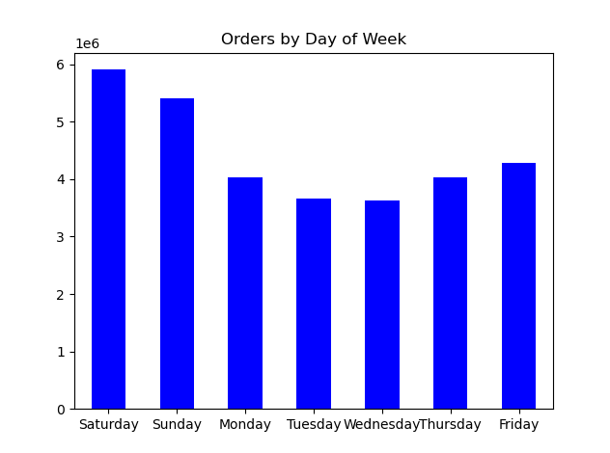

Insight
In terms of customer orders, the busiest days of the week are Saturday and Sunday, while Tuesday and Wednesday are the slowest.

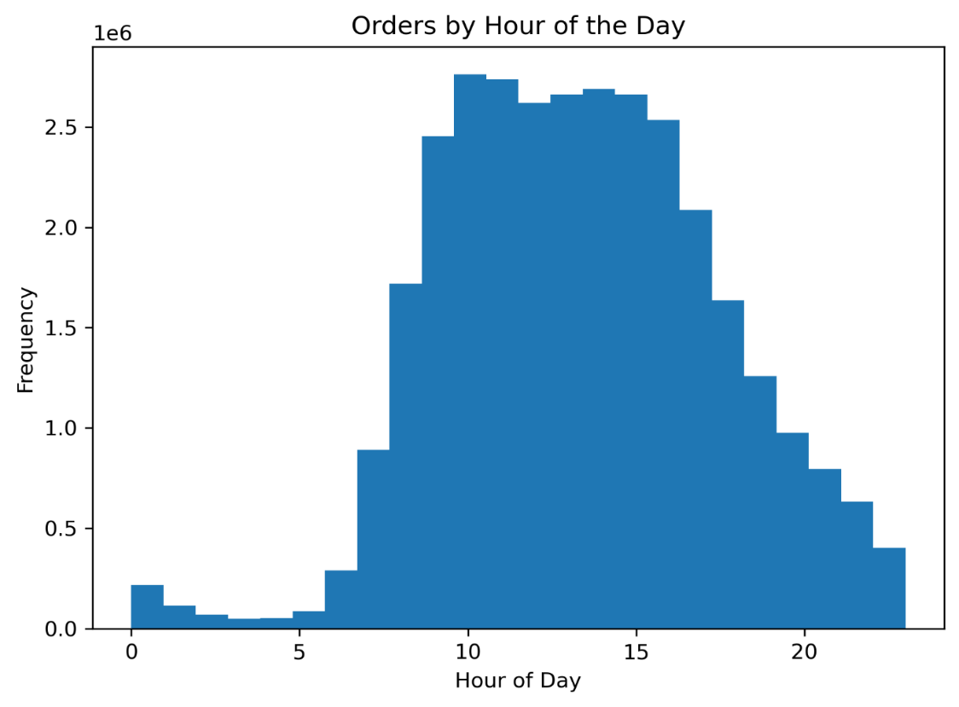

Insight
Most orders during the day are placed between 9AM and 4PM, with a peak between 9AM and 11AM.

Key question 2
The sales team also wants to know whether there are particular times of the day when people spend the most money.

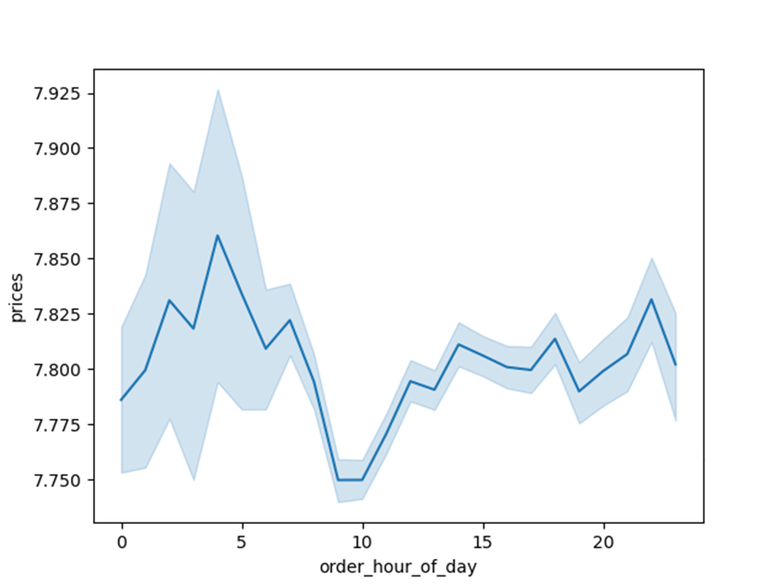

Insights
- Average order prices fluctuate between $7.75 and $7.86 during the day.
- The highest average order prices during the day are recorded between 4AM and 5AM and in the evening, between 9PM and 11PM.
- The lowest average order prices during the day are observed around 10AM.

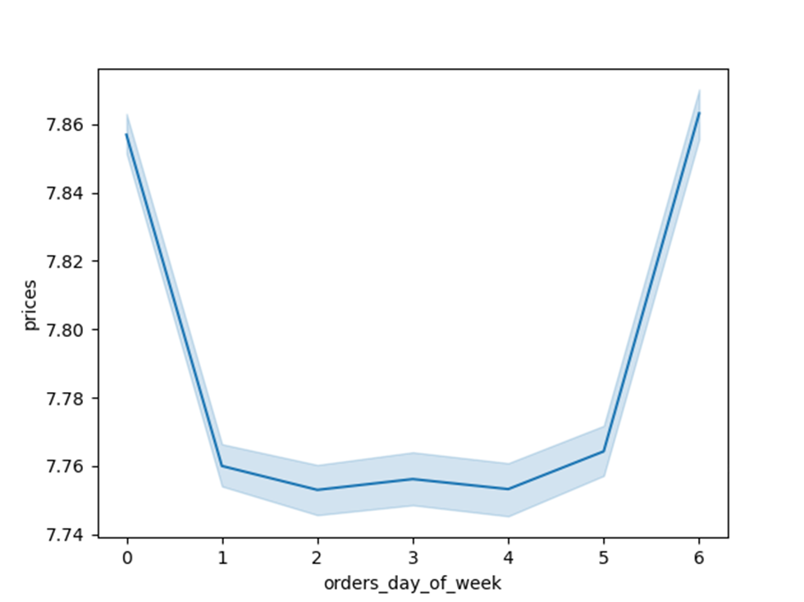

Insights
- The highest average order prices during the week are noticed on Fridays and Saturdays, between $7.76 and $7.86.
- Average order prices are lowest between Monday and Friday, with Monday having the lowest value of all.

Key question 3
Marketing and sales want to use simpler price range groupings to help direct their efforts.

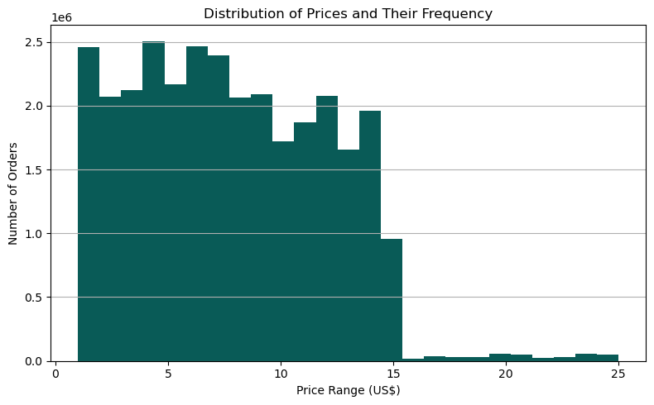
Insights
- To simplify, prices can be separated in two groups: less than $15 (or equal), and more than $15.
- The majority of the orders are less than $15, and as the price goes beyond $15, the number of the orders falls significantly, meaning that there is a strong consumer preference for lower-priced items. The $15 mark can be used to separate the orders in just two groups.

Key question 4
The marketing and sales teams want to know which departments have the highest frequency of product. orders.

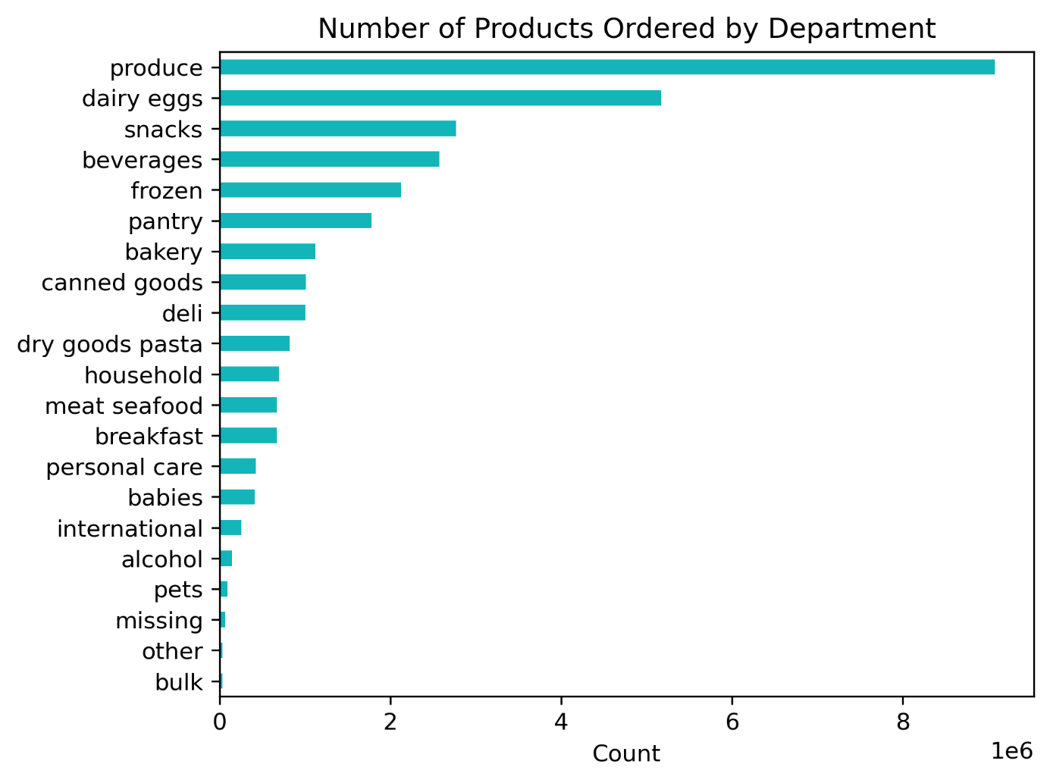

Insight
- Consumers show a strong preference for fresh items, from Produce and Dairy/Egg departments, followed by snacks, beverages, and frozen foods.

Key question 5
What’s the distribution among users in regards to their brand loyalty (i.e., how often do they return to Instacart)?

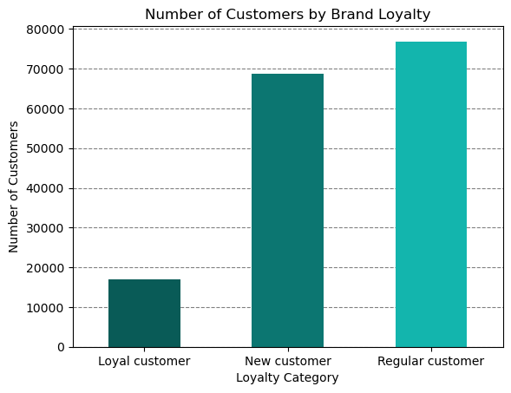
Insight
The majority of Instacart customers are Regular Customers, followed closely by New Customers.
Explanatory Note
Customers are grouped based on the number of orders they have placed:
- New Customer - placed less than 10 orders;
- Regular Customer - placed between 11 and 40 orders;
- Loyal Customer - placed more than 40 orders.

Key question 6
Are there differences in ordering habits based on a customer’s region?

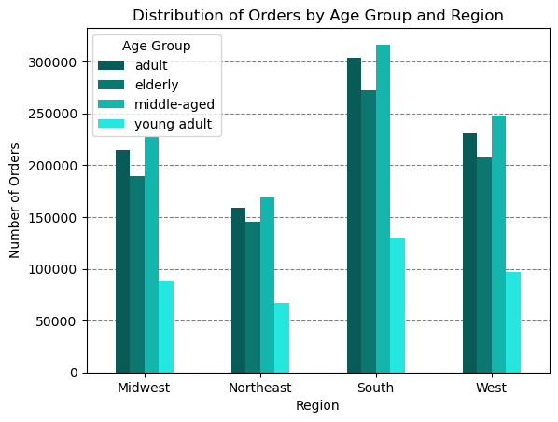

Insights
- There are differences in ordering habits between customers in different regions. Overall, customers in the South placed most orders in age, income, and dependents categories, as the bar charts demonstrate.
- The region ranking follow the same pattern for all categories mentioned above: age, income, and dependents. The West ranks second in orders placed, followed by the Midwest and Northeast.

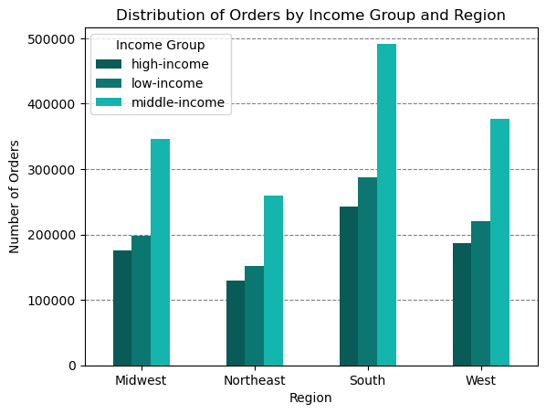

Insight
- The highest number of orders were placed by the middle-income customers in the South, followed by those in the West, Midwest, and Northeast respectively.

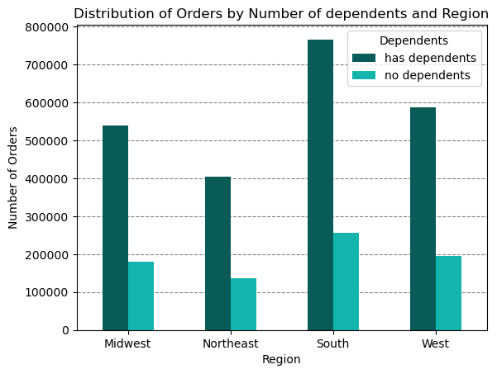

Insight
- Customers with dependents placed approximately four times as many orders as those without dependents, a trend consistent across all regions. As noted earlier, the regional ranking for the number of orders is led by the South, followed by the West, Midwest, and Northeast.

Key question 7
Is there a connection between age and family status in terms of ordering habits?

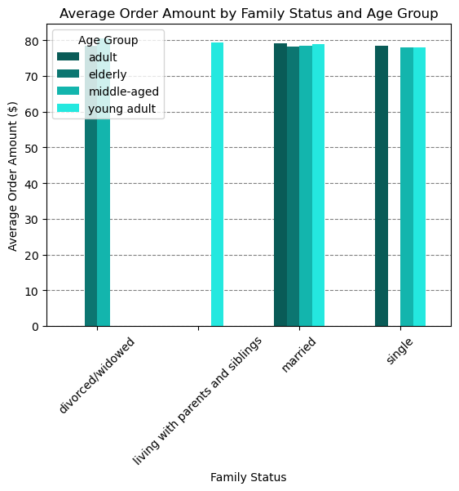

Insight
- Overall, the average order expenditure and the average order frequency is almost the same for different age groups and family status. This means that the order habits are not affected by age or family status from this point of view.

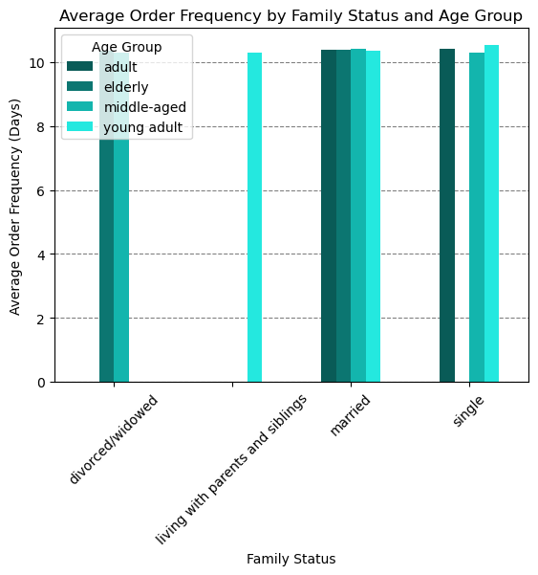

Key question 8
What different classifications does the demographic information suggest?

Age Group Classification

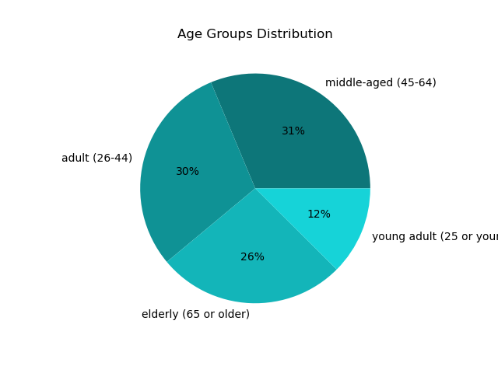

Insight
- The largest segment of the customer population which is submitting orders is the middle-aged, followed by adults, and the elderly.

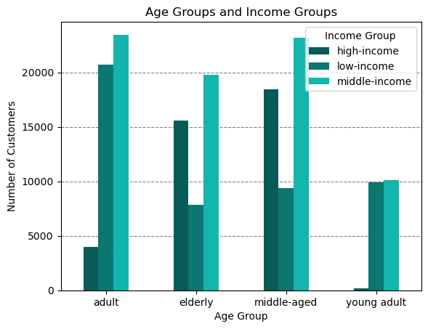

Insights
- As a general trend, the income increases with age - up to age 64 . We observed that the largest number of high-income earners falls within the middle-aged group, followed by adults, with the elderly ranking third.
- The most numerous middle-income earners are in the adult, middle-aged, and elderly age groups, in this order. As expected, the age group that earns the least are the young adults.

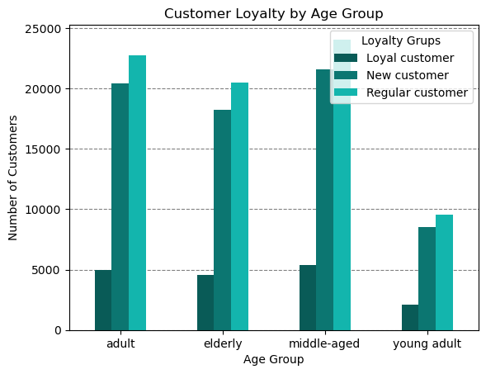

Insights
- The middle-aged, adult, and the elderly include the largest numbers of regular customers and new customers.
- Loyal customers are the smallest group across all age categories.

Insights
- The middle-aged group has the highest number of frequent customers, regular customers, and non-frequent customers.
- The adult age group ranks second in all three customer frequency categories, followed by the elderly.
- Young adults represent the smallest number of customers across all frequency categories.
Explanatory Note
Customers are grouped based on the time lapsed between their orders:
- Frequent Customer - placed orders within 10 days of their previous order;
- Non-frequent customer - had orders placed after more than 20 days ;
- Regular Customer - had orders placed between 10 and 20 days.
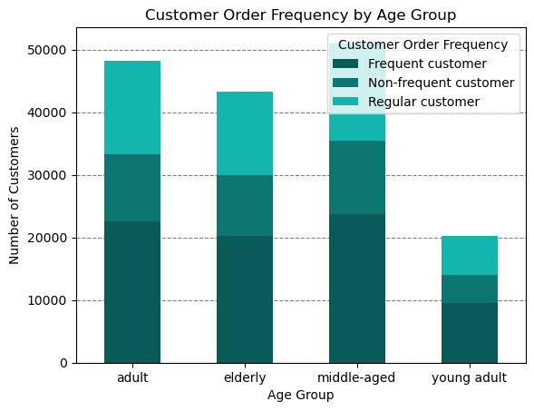

Income Group Classification

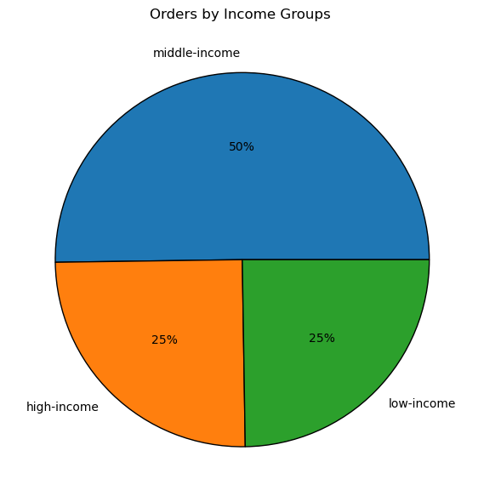

Insight
- The majority of orders are placed by the middle-income group, while the remaining orders are evenly split between the high-income and low-income groups.

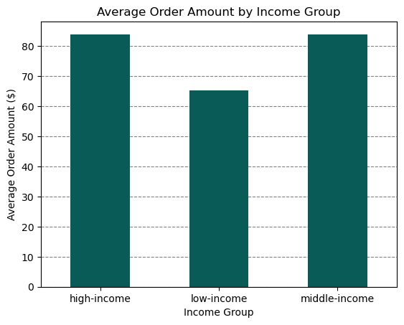

Insights
- The average order value is approximately $84 for both the high-income and middle-income groups, indicating minimal variation between them.
- In contrast, the low-income group has a significantly lower average order value, at about $65.

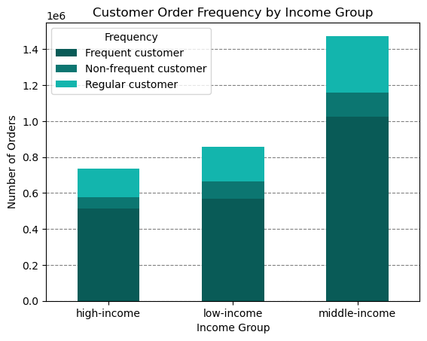
Insights
- The number of orders placed by 'Frequent customers' is highest among the middle-income group, followed by the low-income group, with the high-income group placing the fewest orders.
- A similar pattern is seen for 'Regular customers' and 'Non-frequent customers,' with middle-income customers leading in the number of orders, followed by the low-income group, and lastly, the high-income group.

Department Classification

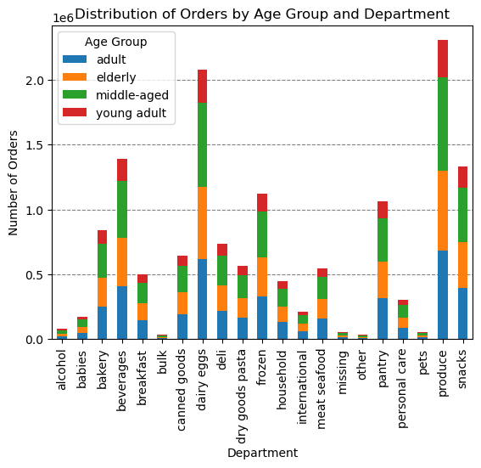

Insights
- Across all departments, middle-aged consumers placed the highest number of orders. Adults and the elderly contributed equally to the sales, while young adults placed the fewest orders.
- Across all age groups, produce items were the most frequently ordered, followed by dairy and eggs, beverages, snacks, and frozen products.

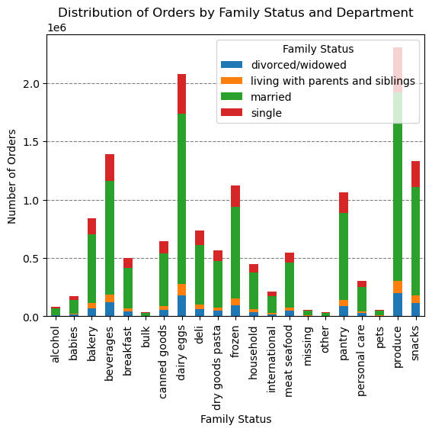

Insights
- Married adults represent the largest customer base across all departments, likely driving the highest demand for bulk items aimed at cost savings and household essentials. Singles rank as the second largest group, followed by divorced or widowed individuals, and finally those living with parents or siblings.
- As with age groups, produce items are the most frequently ordered across all family statuses, followed by dairy and eggs, beverages, snacks, and frozen products.

7. Recommendations
Title page

Recommendations

Marketing
1. Run advertisements on the busiest days of the week (Saturday and Sunday) with promotions taking effect on days like Tuesday and Wednesday to boost mid-week sales.
2. Focus on promoting higher-priced items on Fridays and Saturdays, as these days have the highest average order values.
3. Promote specific lower sales items, such as meat/seafood, beauty, personal care, and pet products during peak spending hours between 9 AM and 4 PM.
4. Provide special offers on popular products such as produce, dairy, and eggs, to encourage customers to stock up on frequently bough items, increasing the average order size.
5. Dividing the price range into two groups (less than and greater than $15) would have the following benefits: helps in creating clear and appealing campaigns, such as “Shop under $15”, makes it easier to identify and target customer segments more effectively (e.g., low-income vs. high-income shoppers), and makes it simpler to analyze customer behavior and trends.
6. Aim to attract new customers through promotional welcome incentives such as discounts on first order, free delivery, subscription perks, discounted bundles for first-time users, buy one get one free, and cashback offers.
7. Focus on converting new customers and regular customers to loyal customers through incentives that encourage repeat purchases, build trust, and reward ongoing engagement.
8. Design campaigns to reflect regional differences by focusing on high-income and senior demographics in the South and West. For areas with underrepresented customer profiles, consider introducing new product offerings or localized promotions to drive engagement and foster growth.
9. In order to increase sales in the Northeast, Instacart could conduct further research to identify specific products that are appealing to the Northeast customers, emphasize the convenience of delivery services in densely populated urban areas, and offer quicker delivery options or flexible time slots.

Demographic Targeting
1. For married consumers, promote bulk items and household essentials.
2. For single customers, highlight convenience products like ready-to-eat meals, snacks, and beverages.
3. For the elderly, emphasize health-conscious options like low-sodium and organic items.
4. Provide targeted promotions based on income groups, such as luxury products for high-income customers and discounts or value packs for the budget-conscious shoppers.

Business Development
1. Expand popular categories by increasing inventory and availability of high-demand products (e.g., fresh produce, dairy, eggs, snacks).
2. Use insights to suggest product bundles in order to promote complementary products.
3. Highlight and promote eco-friendly or locally sourced items to cater to environmentally conscious customers.

